Sheet1
Row Labels | Sum of Amount
Ballast | 2.88%
Broom | 0.06%
Buckets | 0.10%
Ceiling | 2.67%
Cement | 9.40%
Chalk | 0.04%
Drainage | 0.09%
Granite | 0.66%
Hardcore | 1.13%
Hardcore | 0.66%
Labor | 0.80%
labour | 22.54%
Labour | 0.11%
Lock | 0.11%
Mabati | 6.08%
Mbao | 0.14%
Metal | 8.25%
Misc | 2.49%
Nails | 0.46%
Paint | 3.87%
Paint | 0.44%
panes | 1.66%
Paper Nylon | 0.06%
Pipes | 0.77%
Plumbing Pipes | 1.40%
Sand | 4.42%
Sink | 0.23%
Stones | 11.23%
String | 0.02%
Termite Spray | 0.22%
Tiles | 5.30%
Transport | 0.11%
Whooping Iron | 0.39%
Wire | 0.77%
Wire(Binding) | 0.17%
Wood | 0.22%
Wood(Mbao) | 10.05%
Grand Total | 100.00%

Building the House
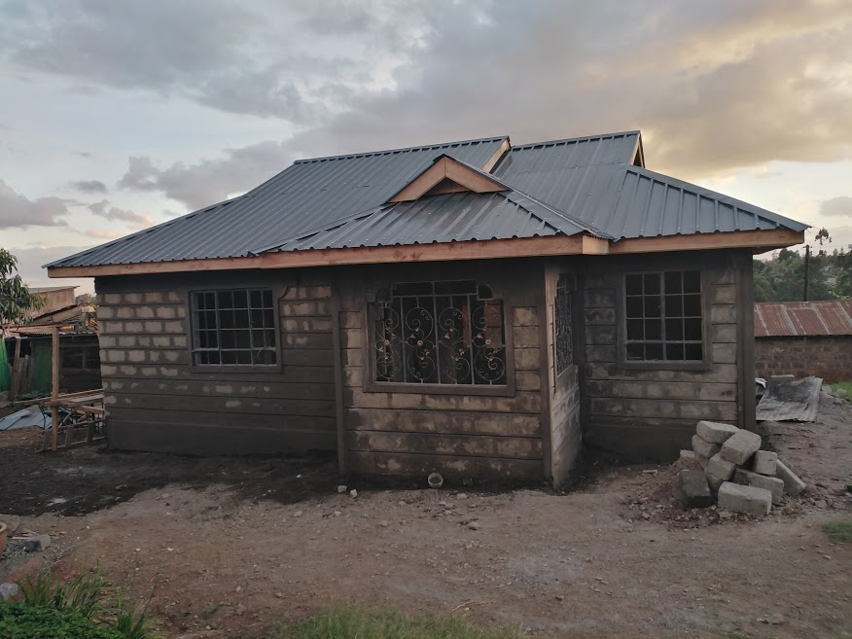
Type | Specific Cost Item | Details | Amount | Task Details
labour | Tree | Cut trees | 3000
labour | Tree | cuting branches and removing the trunks | 3500
labour | Tree | split trunks(kata kuni) | 1000 | split firewood
labour | Coop | Remove chicken coop and charcoal burning | 3500 | Finalize all tree related issues
Chalk | Foundation | for the trenches | 400 | Chalk
String | Foundation | for the trenches | 200 | rope(uzi)
labour | Foundation | for the trenches @ 50 bob a foot | 8500 | Digging the trenches
Sand | Foundation | Sand | 16000
Sand | House Body | Sand | 16000 | @16000 per lorry
Stones | Foundation | Naivasha stones | 30000 | @40 per ft
Ballast | Foundation | Ballast | 13000
Ballast | House Body | Ballast | 13000 | 1 lorry
Hardcore | Foundation | Hardcore | 9000 | 1 tonne
Cement | Foundation | Cement | 18900 | Materials for the Trench
labour | Foundation | for the cementing of the trenches | 9000
labour | Foundation | for foundation wall day1 | 6300
Whooping Iron | House Body | Instead of Whooping wire | 3500 | Barbed wire - 1 roll
Buckets | Foundation | For carrying the sand-cement mixure to the trenches | 900 | 3 buckets at 300 each
Hardcore | Foundation | Addition | 6000 | @ 1000 per tonne
Labour | Foundation | For the Foundation day 2 | 6300 | 3 fundis @ 3600, 4 laborors
labour | Foundation | 1 fundi five men@1500 & 600 resp | 4500 | 5 mkono 1 fundi
Stones | Foundation | addition 100ft | 4000
Labour | Foundation | For foundation soil | 4500 | 5 mkono 1 fundi
labour | Foundation | For foundation soil | 4500 | 5 mkono 1 fundi
labour | Foundation | For Foundation soil | 1200 | digging the soil to fill in the spaces
Labour | Foundation | Hardcore for the house | 4500 | 5 mkono 1 fundi
Labour | Foundation | Additional HArdcore & leveling | 1200 | 2 laborors
Metal | Rental | D10 | 12600 | metal rods for the rentals @ 630 a piece
Metal | Rental | D8 | 8170 | Metal rod for the rental @ 430 a piece
Wire(Binding) | Rental | Binding Wire | 1500 | @ 150 a piece
Cement | House Body | Cement | 18900 | @630 a piece
Stones | House Body | Stones( Machine Cut) | 67500 | @45 a piece ,1500 pieces
Pipes | Interiors | Electric pipes | 1000 | for the electric power cables
Misc | Interiors | Miscelaneous | 500 | cable joints and gum
Hardcore | Foundation | addition for the remaining part of the house | 1200 | 1000,for the H,200 for transport
Nails | Slab | Both 3 and 4 inches | 300 | 150 per kilo , 2 kilos at 300
Labour | Electricals | laying electrical pipes in the slab | 500
labour | Slab | Laying the Slab | 7100 | 1 fundi 7 laborours
Paper Nylon | House Body | paper for partitioning teh house | 500
Labour | House Body | Laying the first 2 courses | 6300 | 3 fundi, 4 laborours
Broom | House Body | Two brooms for sweeping the sand | 500 | to reduce sand waste
Labour | House Body | Laying 3 courses of stones | 6300 | 3 fundi,4 laborours
Labour | House Body | Laying 2 courses of stones | 6300 | 3 fundis ,4 laborors
Labour | House Body | Laying 2 courses of stones | 6300 | 3 fundis ,4 laborours
Labour | House Body | Supervision | 1000 | Gave dad to keep him motivated
Nails | Rental | For the Rentals | 500
Mbao | Rental | For the rentals | 1250 | 50ft @25 each
Labour | Rental | Finalize house and Rentals | 5100 | 2 fundis 4 workers
Misc | House Body | undocumented spendings | 500
Labour | House Body | dividing the house | 1000 | Main Fundi
Nails | Rental | For the rentals | 150 | 4 inches 1kg
Labour | Rental | Rentals Day 1 | 4800 | 2 fundis 4 labour
Labour | Rental | Day 2 | 4800 | 2 fundis 4 labour
Labour | Rental | Day 3 | 4200 | 2 fundis 3 labour
Wood | Rental | rented wood for making rentals | 2000
Transport | House Body | For rental wood 300,for metal rods 300, other 300 | 1000
labour | House Body | Cleaning the area,sweeping the sand, arrranging the remaining stones etc | 1500
Misc | House Body | Other unmentioned costs | 1000
Wood(Mbao) | Roof | 3X2 (1300ft),2X2 (500ft),fesia(200ft) | 82000
Labour | Roof | Fundi( for assistance) | 1200
Misc | Roof | Transport and Lunch | 1000
Nails | Roof | 4kg(4"),4kgs(3"),2kg(2") | 1600
Labour | Electricals | For drilling the holes for the sockets | 1800 | for 3 days
Nails | Roof | Addition Nails | 1600
Termite Spray | House Body | for a termite resistant house | 2000
Pipes | Electricals | for the walls +transport | 6000
Plumbing Pipes | Plumbing | pipes and transport | 12700
Ceiling | Ceiling | 2x2 wood for ceiling | 24100
Wood(Mbao) | Roof | Roof Mbao and Door Frames and Nails | 5830
Metal | Windows and Doors | all metals for the windows | 42000
Labour | Windows and Doors | deposit | 3000
Labour | Electricals | for electric pipes installation | 2000
labour | roof | Deposit | 25000
labour | roof | to buy mambati in ruiru | 500
Mabati | roof | Mambati - Boxprofile | 53990
Mabati | roof | Added 1 to finalize | 1000
Lock | Windows and Doors | for the main door | 1000
Paint | Windows and Doors | for the undercoat/windows and doors | 2000
Metal | Windows and Doors | Addition Tubes | 1200
Wood(Mbao) | Roof | For the sideboards in the roof, 100 ft for the tank | 3000
Metal | Additional Metal | for the doors | 4000
Metal | Flowers for the coridor rails | 11 pieces @600 | 6600
Labor | Windows and Doors | to put up the windows and doors (2 days) | 3600
sand | Interiors | for the plastering @ 1 lorry (8000 owed previously) | 8000
cement | Interiors | for the plastering @ 30 pcs | 18900
Misc | Interiors | ventilations @50,hole pass for frames etc | 3000
labor | Interiors | 1 fundi 1 labouror plastering 2 days (mon -teu) | 3600
labour | interiors | plastering wed-sat | 7200
labour | interiors | plastering (1 week) | 10800
labour | interiors | plastering finalize (contract) | 12000
Tiles | interiors | tiles for living rool,kitchen ,corridor and bathroom | 30690 | 17 pc carton at 730,24 pc wall tiles at 590
Cement | interiors | for the floor and tiles | 25050 | 35v pcs at 630,Transport(for tiles also) and Misc
Misc | interiors | metal rods,brushes ,gauze etc for finishings | 2500
Granite | interiors | for the dining window(sold at a discount) | 6000
labour | Key | drilling trenches for Key decorations | 1200 | 2 laborors at 600 each (Monday)
labour | Key | drilling trenches for Key decorations | 1200 | 2 laborors at 600 each (Tuesday)
labour | Key | Working on the Keys | 14400 | -Two fundis,two laborors at 3600 each day - 4 days
labour | interiors | Floor - leveling for the entire house | 4200 | Monday(2 fundis 3 laborours)
labour | interiors | Creating Kitchen tabletop | 3600 | 2 fundis 2 laborors (Tuesday)
panes | Windows and Doors | for the window panes at 125 per sq. ft and free labour (11200) + Bat for stickung 3500 + 3 silicon ( at 350 each) | 15000 | (11200) + Bat for stickung 3500 + 3 silicon ( at 350 each)
Tiles | interiors | labour for the tiles 2 fundis and 2 laborors @ 1200,600 resp | 15000 | four days + 1 laboror 1 extra day
cement | interiors | for the tiles | 3200
Misc | interiors | binders $ bathroom drainage with pipes | 2000
Sink | interiors | Sink for the kitchen table top | 2100 | with transport costs and pipes
Tiles | interiors | finalizing kitchen tiling | 2200 | with overtime
Paint | interiors | Undercoat Paint | 7700 | 40 litres each 20li at 3850
Paint | interiors | Filler for the paint | 7500 | 5 pcs of 25kg bags each at 1500
Drainage | Plumbing | toilet drainage for the bathroom | 800 | each at 400
Paint | interiors | undercoat - full house | 1300 | 1 fundi sunday
Paint | interiors | Scheming (full house) | 3900 | 3 days Mon - wednesday, i fundi at 1300 a day
Paint | interiors | Outside the house and fesia board & sitting and Kitchen silk paint | 4000 | 2 days: fundi 1300, laborer for sand paper:700 ( they are from kawagware so they are 100 shillings more expe.
Paint | interiors | 3 cans of 4litre silk paints @ 1850 each | 5700 | Transport not included
Paint | interiors | Miscelaneous costs for black paper,sand papers,rollers,brush etc | 2500
Paint | interiors | Paint the silk paint | 3900 | 3 days for the doors,living room, grill, kitchen and verander
Wire | Electricals | wiring the house at a cost of 100 per metre, 40 meters for 10 mm wire | 7000
Misc | Electricals | small stuff like cutoffs,bulbs ,holders ,wiring labor ,etc | 9000
Misc | interiors | Lock for the house | 3000
Paint | interiors | pay labor for final sandpaper job | 500

Sheet2
Row Labels | Sum of Amount
Additional Metal | 4000
Ceiling | 24100
Coop | 3500
Electricals | 26300
Flowers for the coridor rails | 6600
Foundation | 150100
House Body | 153100
Interiors | 201540
Key | 16800
Plumbing | 13500
Rental | 45070
Roof | 176720
Slab | 7400
Tree | 7500
Windows and Doors | 67800
Grand Total | 904030

AVERAGE AMOUNT USED IN ROOF
Row Labels | Average of Amount
Roof | 16065.454545
Grand Total | 16065.454545

AVERAGE AMOUNT USED IN RENTAL
Row Labels | Average of Amount
Rental | 4097.2727273
Grand Total | 4097.2727273

